12 deg
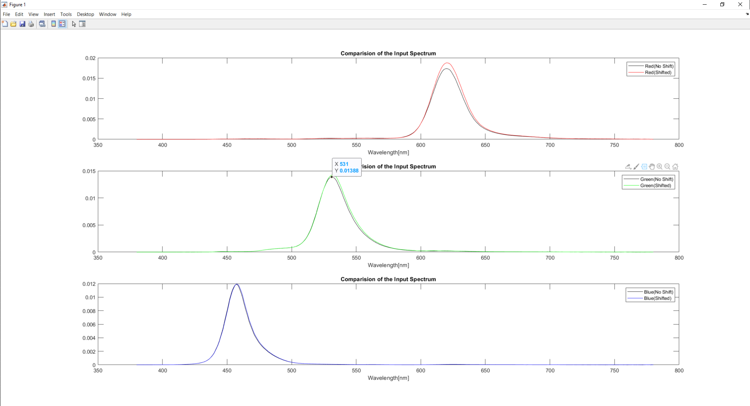
Pattern Colors | X_shifted | Y_shifted | Z_shifted | 1931 x | 1931 y | Simulated R | Simulated G | Simulated B | X_Calculated | Y_Calculated | Z_Calculated | 1931 x | 1931 y | dx | dy
Red | 47.185905306 | 23.31519802 | 0.74710667059 | 0.66227495832 | 0.32723907058 | 60.225485075 | 15.117051549 | 4.1996317945 | 47.649714488 | 23.466841027 | 0.88509417995 | 0.66178642698 | 0.32592087996 | 0.0004885313461 | 0.0013181906251
Green | 13.250898342 | 40.715273143 | 3.3089221052 | 0.23135533286 | 0.7108722237 | 3.8521404604 | 46.15272355 | 11.514144689 | 12.92842243 | 40.606420307 | 3.0433070732 | 0.22850557103 | 0.71770498758 | 0.0028497618275 | -0.0068327638805
Blue | 8.2262096713 | 2.704861582 | 45.346273899 | 0.14617266769 | 0.048063062936 | 1.1244872779 | 6.2626914997 | 20.856614006 | 8.3200846881 | 2.7703210864 | 45.642435735 | 0.14665376291 | 0.048830994759 | -0.00048109522576 | -0.00076793182225

14 deg
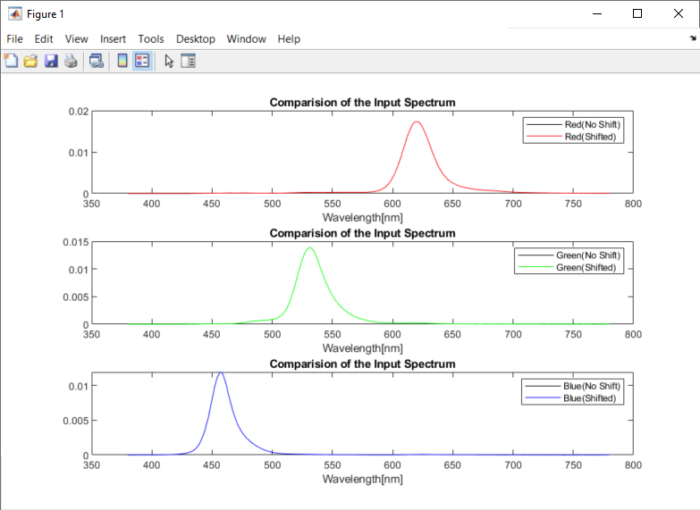
Pattern Colors | X_shifted | Y_shifted | Z_shifted | 1931 x | 1931 y | Simulated R | Simulated G | Simulated B | X_Calculated | Y_Calculated | Z_Calculated | 1931 x | 1931 y | dx | dy
Red | 23.66950996 | 13.334400204 | 1.5784245643 | 0.61348049896 | 0.34560895026 | 28.089868126 | 9.8176611661 | 2.9335829612 | 23.561139795 | 13.273121277 | 1.5713559058 | 0.61348161151 | 0.3456036466 | -1.1125506995E-06 | 5.3036554536E-06
Green | 7.9778613647 | 32.202195546 | 6.2418075317 | 0.17185568612 | 0.69368595882 | 3.0406647105 | 41.244145427 | 13.734390731 | 7.9426524892 | 32.059857249 | 6.2148053636 | 0.17185447644 | 0.69367632409 | 1.2096841123E-06 | 9.6347300708E-06
Blue | 4.7047804407 | 1.873395494 | 20.18477093 | 0.17579455897 | 0.069999596962 | 2.399826828 | 3.4074268829 | 9.2516459141 | 4.6843313362 | 1.8644353106 | 20.093513844 | 0.1758232122 | 0.06998031986 | -2.8653228159E-05 | 1.9277102087E-05

16 deg
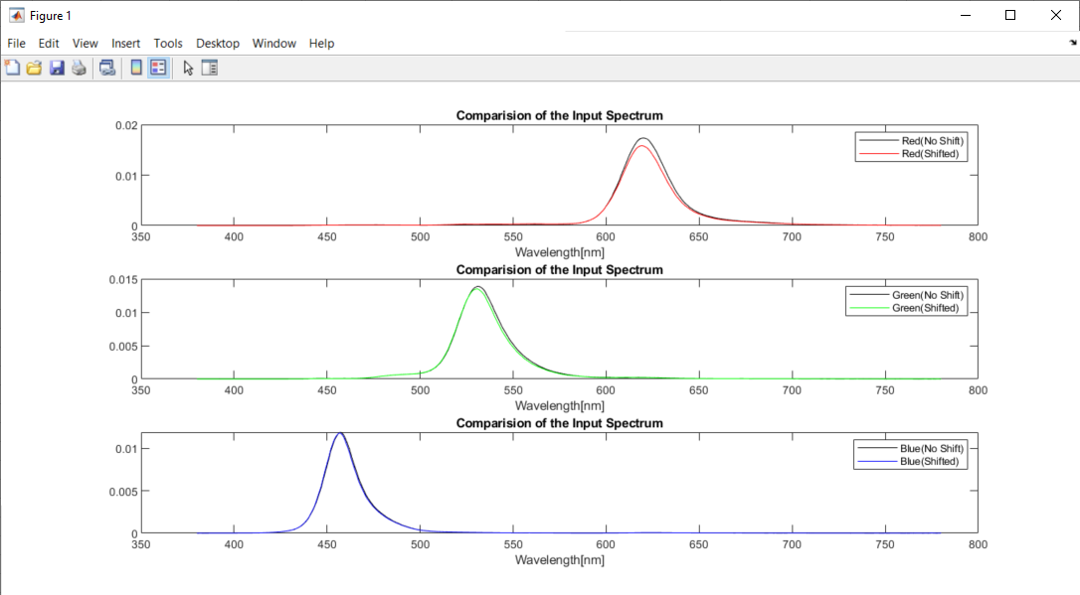
Pattern Colors | X_shifted | Y_shifted | Z_shifted | 1931 x | 1931 y | Simulated R | Simulated G | Simulated B | X_Calculated | Y_Calculated | Z_Calculated | 1931 x | 1931 y | dx | dy
Red | 40.612577501 | 20.71775045 | 0.7752434767 | 0.65392808676 | 0.33358924125 | 50.719607916 | 13.750586865 | 3.7141345523 | 40.327478542 | 20.656521937 | 0.63368573704 | 0.65447894945 | 0.33523689715 | -0.00055086268737 | -0.0016476559023
Green | 11.679097421 | 37.205504897 | 3.2392555802 | 0.22406433237 | 0.71379031402 | 3.606823351 | 42.694141173 | 10.966094447 | 12.091333746 | 37.524583029 | 3.5525542471 | 0.22741548729 | 0.70576757819 | -0.0033511549117 | 0.0080227358345
Blue | 8.1270755825 | 2.5718637419 | 44.630318446 | 0.14688567875 | 0.046482888901 | 1.0876652938 | 5.8875444904 | 20.290255967 | 8.0608947442 | 2.5089912913 | 44.509264088 | 0.14635110974 | 0.045552469232 | 0.00053456900986 | 0.00093041966923

18 deg
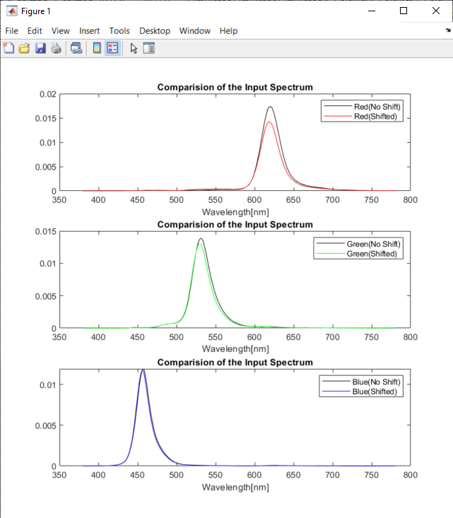
Pattern Colors | X_shifted | Y_shifted | Z_shifted | 1931 x | 1931 y | Simulated R | Simulated G | Simulated B | X_Calculated | Y_Calculated | Z_Calculated | 1931 x | 1931 y | dx | dy
Red | 37.245068505 | 19.390857354 | 0.79961315014 | 0.64846729303 | 0.33761078399 | 45.97570521 | 13.080959032 | 3.4924279668 | 36.681571894 | 19.262101141 | 0.55010993171 | 0.64930280763 | 0.34095966192 | -0.00083551460005 | -0.0033488779281
Green | 10.922630198 | 35.43297681 | 3.2198475938 | 0.22032334924 | 0.7147282278 | 3.5054421988 | 40.948065136 | 10.702961946 | 11.689519899 | 35.970608114 | 3.8410015206 | 0.22697599072 | 0.69844309124 | -0.0066526414789 | 0.01628513656
Blue | 8.0699333025 | 2.4982775839 | 44.211702344 | 0.14731555467 | 0.045605723641 | 1.078956735 | 5.6865822915 | 19.96799375 | 7.9241460921 | 2.3736926859 | 43.857780816 | 0.14632176959 | 0.043830957964 | 0.00099378508555 | 0.0017747656773

white
Deg | X_shifted | Y_shifted | Z_shifted | 1931 x | 1931 y | Simulated R | Simulated G | Simulated B | X_Calculated | Y_Calculated | Z_Calculated | 1931 x | 1931 y | dx | dy | dY(%)
0 | 80.96 | 76.73 | 45.37 | 0.3987 | 0.3779 | 81.25 | 75.63 | 36.84 | 81.90 | 76.89 | 45.72 | 0.4005 | 0.3760 | -0.00178 | 0.00187 | -0.21%
2 | 80.39 | 76.18 | 45.45 | 0.3979 | 0.3771 | 80.60 | 75.14 | 36.77 | 81.33 | 76.35 | 45.80 | 0.3997 | 0.3752 | -0.00176 | 0.00188 | -0.22%
4 | 78.87 | 74.85 | 45.30 | 0.3963 | 0.3761 | 78.84 | 73.93 | 36.42 | 79.75 | 75.01 | 45.64 | 0.3980 | 0.3743 | -0.00167 | 0.00179 | -0.22%
6 | 76.99 | 73.28 | 45.25 | 0.3938 | 0.3748 | 76.50 | 72.57 | 36.06 | 77.73 | 73.42 | 45.56 | 0.3952 | 0.3732 | -0.00138 | 0.00156 | -0.19%
8 | 74.32 | 71.06 | 45.05 | 0.3903 | 0.3732 | 73.22 | 70.62 | 35.50 | 74.87 | 71.18 | 45.30 | 0.3913 | 0.3720 | -0.00100 | 0.00120 | -0.16%
10 | 71.04 | 68.45 | 44.85 | 0.3854 | 0.3713 | 69.24 | 68.39 | 34.87 | 71.44 | 68.57 | 45.06 | 0.3860 | 0.3705 | -0.00067 | 0.00084 | -0.17%
12 | 67.28 | 65.54 | 44.62 | 0.3792 | 0.3693 | 64.70 | 65.92 | 34.16 | 67.54 | 65.65 | 44.77 | 0.3795 | 0.3689 | -0.00031 | 0.00043 | -0.18%
14 | 63.35 | 62.61 | 44.43 | 0.3718 | 0.3674 | 59.95 | 63.51 | 33.50 | 63.51 | 62.76 | 44.54 | 0.3718 | 0.3674 | -0.00002 | 0.00001 | -0.24%
16 | 59.19 | 59.47 | 44.06 | 0.3637 | 0.3655 | 55.01 | 60.92 | 32.71 | 59.27 | 59.68 | 44.13 | 0.3634 | 0.3660 | 0.00029 | -0.00049 | -0.36%
18 | 54.88 | 56.24 | 43.57 | 0.3548 | 0.3636 | 50.02 | 58.27 | 31.87 | 54.97 | 56.55 | 43.63 | 0.3543 | 0.3645 | 0.00045 | -0.00091 | -0.55%
20 | 50.63 | 53.06 | 43.01 | 0.3451 | 0.3617 | 45.22 | 55.67 | 31.03 | 50.82 | 53.50 | 43.08 | 0.3448 | 0.3629 | 0.00037 | -0.00125 | -0.82%
22 | 46.69 | 50.04 | 42.38 | 0.3356 | 0.3597 | 40.81 | 53.18 | 30.18 | 46.96 | 50.60 | 42.47 | 0.3354 | 0.3614 | 0.00027 | -0.00163 | -1.13%
24 | 42.96 | 46.99 | 41.33 | 0.3272 | 0.3579 | 36.79 | 50.54 | 29.13 | 43.31 | 47.69 | 41.44 | 0.3270 | 0.3601 | 0.00022 | -0.00214 | -1.48%

Deg | X_shifted | Y_shifted | Z_shifted | 1931 x | 1931 y | Simulated R | Simulated G | Simulated B | X_Calculated | Y_Calculated | Z_Calculated | 1931 x | 1931 y | dx | dy | dY(%)
30 | 34.35 | 39.21 | 37.70 | 0.3087 | 0.3524 | 27.80 | 43.64 | 26.04 | 34.86 | 39.15 | 37.94 | 0.3114 | 0.3497 | -0.00268 | 0.00272 | 0.16%
32 | 31.89 | 36.76 | 36.21 | 0.3041 | 0.3505 | 25.34 | 41.32 | 24.89 | 32.22 | 36.80 | 36.41 | 0.3056 | 0.3491 | -0.00145 | 0.00147 | -0.11%
34 | 29.46 | 34.30 | 34.41 | 0.3001 | 0.3494 | 22.91 | 38.89 | 23.56 | 29.53 | 34.39 | 34.50 | 0.3000 | 0.3494 | 0.00003 | 0.00001 | -0.25%
36 | 27.24 | 32.15 | 32.57 | 0.2962 | 0.3497 | 20.65 | 36.73 | 22.26 | 27.01 | 32.23 | 32.50 | 0.2944 | 0.3513 | 0.00180 | -0.00165 | -0.24%
38 | 25.08 | 30.26 | 30.67 | 0.2916 | 0.3518 | 18.49 | 34.85 | 21.00 | 24.60 | 30.31 | 30.44 | 0.2882 | 0.3552 | 0.00339 | -0.00336 | -0.17%

